Problem 2
Problem 2: Net Present Value of Cash Flows
 |  |  |  |  |  |  |  |  |  |  | Background
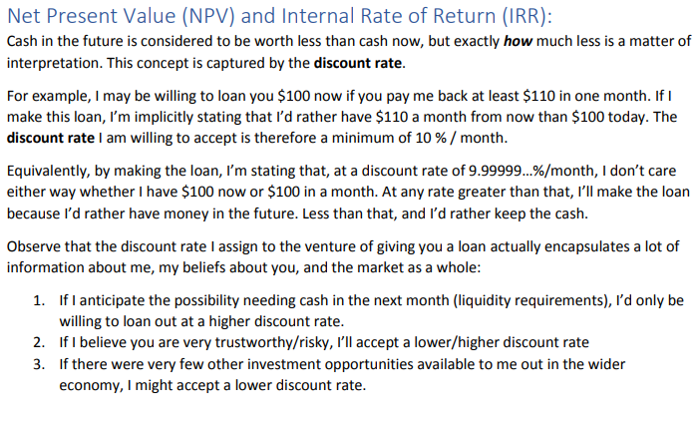
You set up a neat crypto trading system in your room. At the beginning of every month, you contribute |  |  |  |  |  |  |  |  | $100 | into the
system. During the course of that month, your rig earns you a return of |  |  |  |  |  |  | 0.75% | on the total money in the account.

You started out with |  | $1,000.00 | invested.
Your run your setup for two years. After that, you cash out and move on to something else.
This situation is represented in the cash flow table below.

Month | Starting Balance | Deposit at start of Month | Total at start of month | Cash earned by System | Cash Spent | Cash Flow | In Account at End of Month |  | Discounted
0 | $0 | $1,000 | $1,000 | $0.00 | $0 | ($1,000.00) | $1,000.00 |  | ($1,000.00)
1 | $1,000.00 | $100 | $1,100 | $8.25 | $0 | ($100.00) | $1,108.25 |  | ($99.58)
2 | $1,108.25 | $100 | $1,208 | $9.06 | $0 | ($100.00) | $1,217.31 |  | ($99.17)
3 | $1,217.31 | $100 | $1,317 | $9.88 | $0 | ($100.00) | $1,327.19 |  | ($98.76)
4 | $1,327.19 | $100 | $1,427 | $10.70 | $0 | ($100.00) | $1,437.90 |  | ($98.35)
5 | $1,437.90 | $100 | $1,538 | $11.53 | $0 | ($100.00) | $1,549.43 |  | ($97.94)
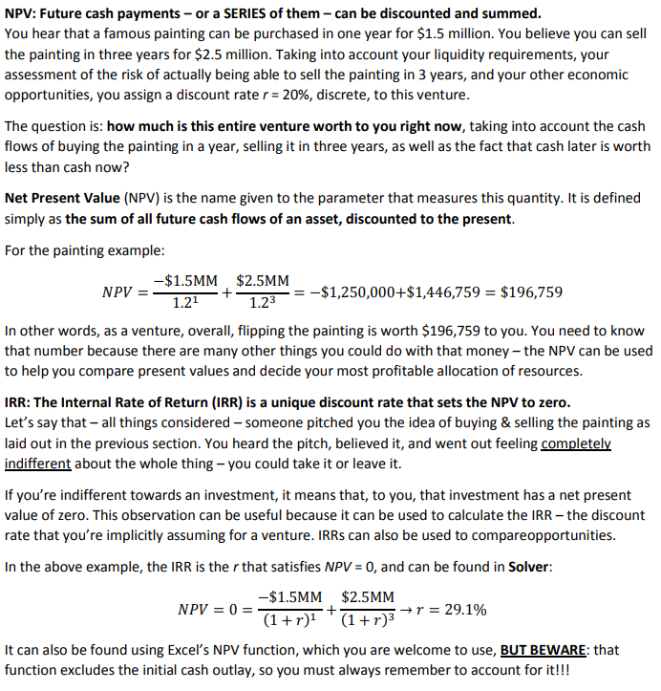
6 | $1,549.43 | $100 | $1,649 | $12.37 | $0 | ($100.00) | $1,661.80 |  | ($97.53)
7 | $1,661.80 | $100 | $1,762 | $13.21 | $0 | ($100.00) | $1,775.01 |  | ($97.13)
8 | $1,775.01 | $100 | $1,875 | $14.06 | $0 | ($100.00) | $1,889.08 |  | ($96.72)
9 | $1,889.08 | $100 | $1,989 | $14.92 | $0 | ($100.00) | $2,003.99 |  | ($96.32)
10 | $2,003.99 | $100 | $2,104 | $15.78 | $0 | ($100.00) | $2,119.77 |  | ($95.92)
11 | $2,119.77 | $100 | $2,220 | $16.65 | $0 | ($100.00) | $2,236.42 |  | ($95.52)
12 | $2,236.42 | $100 | $2,336 | $17.52 | $0 | ($100.00) | $2,353.95 |  | ($95.12)
13 | $2,353.95 | $100 | $2,454 | $18.40 | $0 | ($100.00) | $2,472.35 |  | ($94.73)
14 | $2,472.35 | $100 | $2,572 | $19.29 | $0 | ($100.00) | $2,591.64 |  | ($94.33)
15 | $2,591.64 | $100 | $2,692 | $20.19 | $0 | ($100.00) | $2,711.83 |  | ($93.94)
16 | $2,711.83 | $100 | $2,812 | $21.09 | $0 | ($100.00) | $2,832.92 |  | ($93.55)
17 | $2,832.92 | $100 | $2,933 | $22.00 | $0 | ($100.00) | $2,954.92 |  | ($93.16)
18 | $2,954.92 | $100 | $3,055 | $22.91 | $0 | ($100.00) | $3,077.83 |  | ($92.77)
19 | $3,077.83 | $100 | $3,178 | $23.83 | $0 | ($100.00) | $3,201.66 |  | ($92.39)
20 | $3,201.66 | $100 | $3,302 | $24.76 | $0 | ($100.00) | $3,326.42 |  | ($92.00)
21 | $3,326.42 | $100 | $3,426 | $25.70 | $0 | ($100.00) | $3,452.12 |  | ($91.62)
22 | $3,452.12 | $100 | $3,552 | $26.64 | $0 | ($100.00) | $3,578.76 |  | ($91.24)
23 | $3,578.76 | $100 | $3,679 | $27.59 | $0 | ($100.00) | $3,706.35 |  | ($90.86)
24 | $3,706.35 | $100 | $3,806 | $28.55 | $0 | $3,834.90 | $3,834.90 |  | $3,469.96

Assuming a discount rate of |  |  | 5% | annually continuously compounded, what is the Present Value of
this series of cash flows? You may solve this either by adding a column to the table for Discounted cash flows and
summing the result, or by doing it all in one formula using Excel's NPV() function. You could check you got it right
by doing it both ways… they should agree.

2.1 | NPV of cash flows: |  | $281.30 |  |  |  |  | monthly discrete rate: | 0.418%
 |  |  |  |  |  |  |  | Using the Discounted column: | $281.30

2.2 | What is the annualized, continuously compounded Internal Rate of Return? |  |  |  |  |  |  | 11.32%

2.3 | What is the maximum monthly amount that you'd be willing to spend on a subscription to a streaming
 | data service that allowed you to boost your monthly return up to |  |  |  |  |  | 0.85% | per month?
 | Justify your answer. Note that this would cut down your monthly cash deposit to LESS than $100/mo.
 | ANSWER: | $25.00
 | Justification: | Using the table above and assuming the higher monthly return, a monthly cash contribution
 |  | in the amount of |  | $75.00 | gives the same overall NPV of cash flows. Therefore I'd
 |  | be willing to pay anything up to |  |  | $25.00 | for the subscription.

*note: | There was a double-counting error in the original version of this solution. If you used those values, then the correct answer for
 | 2.1 and 2.2 would have been:
 |  | $664.46 | and | 19.96% | respectively.
 | You'll get full credit if you had those answers.

